HOLD
REPORT TESTING HOLD PROGRAM

STT | Funtion Test |  | Status
1 | Login | 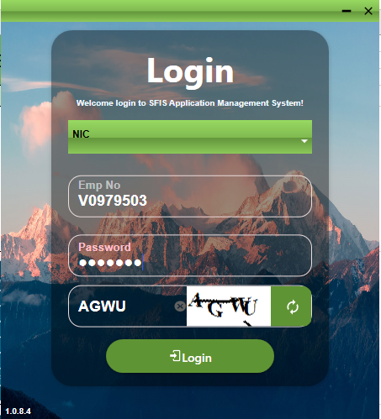 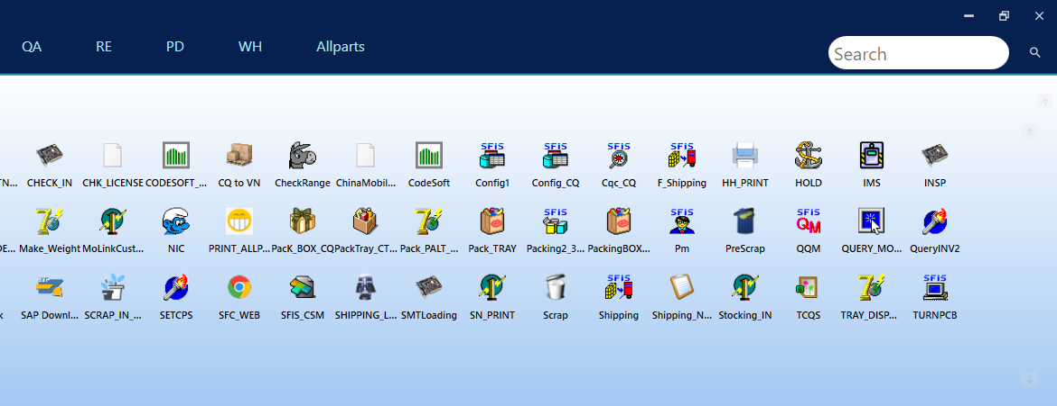 | Done
2 | Test function login and function Hold Query | 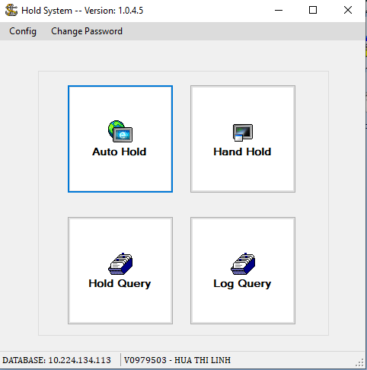 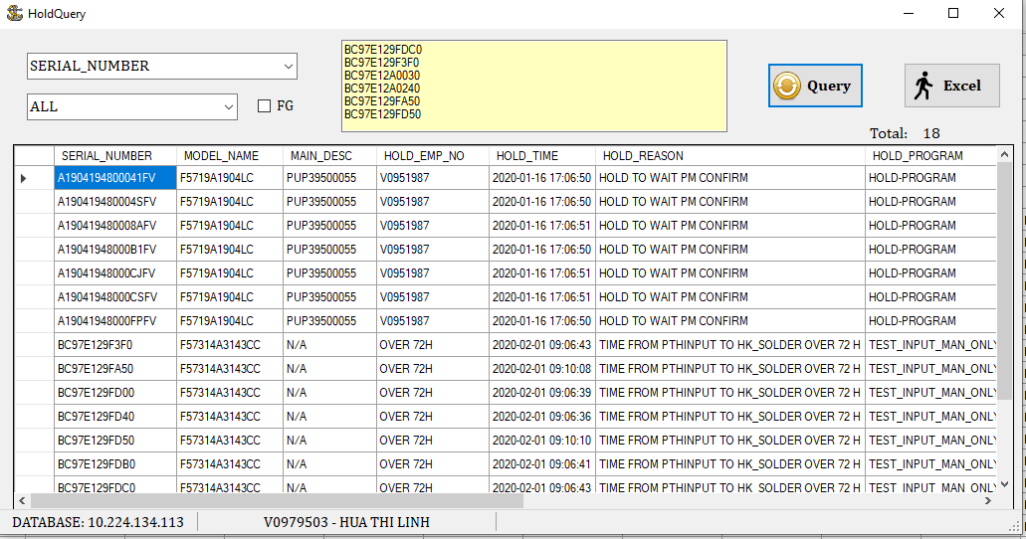 | Done
3 | Test function Log Query | 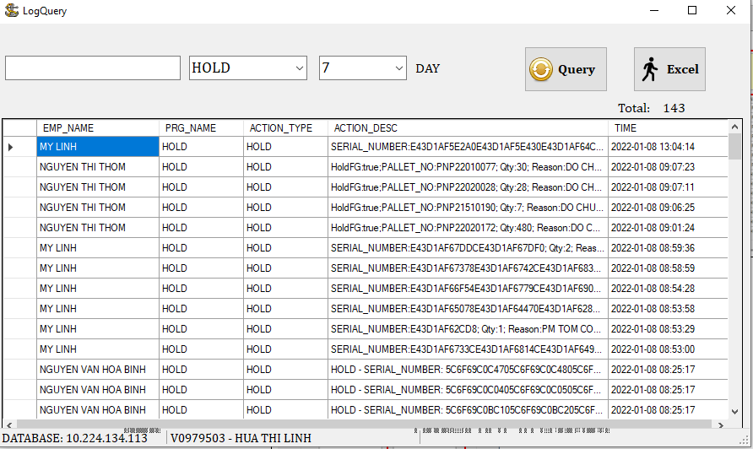 | Done
4 | Test function Hand Hold and Query in Hand Hold | 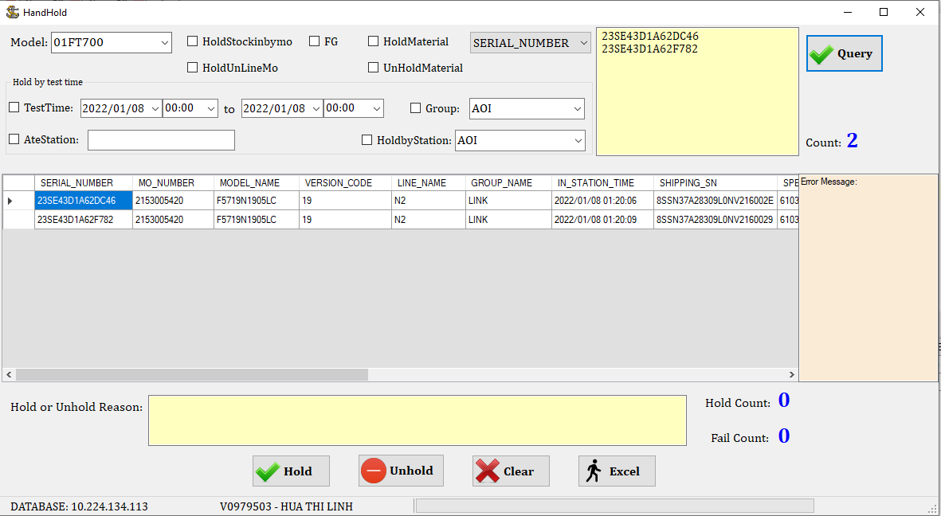 | Done
5 | Test function HOLD in Hand Hold | 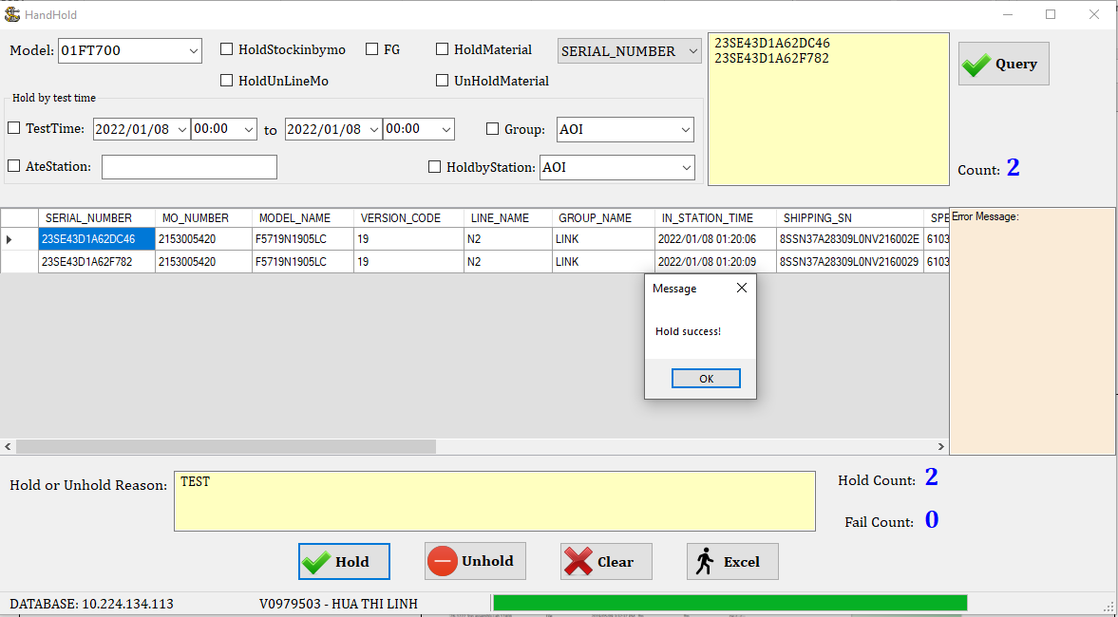 | Done
6 | Hold suscess, data insert into this tabel |  | Done
7 | Test function UNHOLD in Hand Hold | 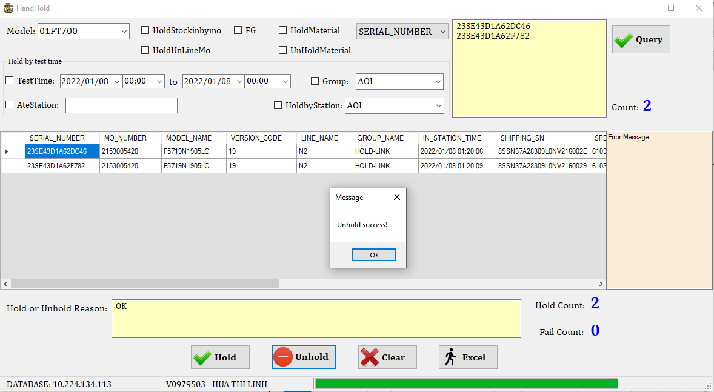 | Done
9 | Unhold suscess, data update into this tabel |  | Done

